group_response
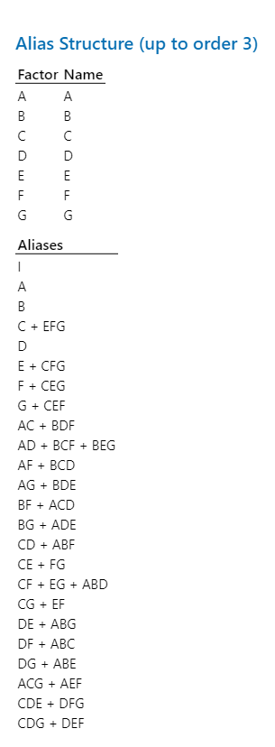
y1 | y2 | A | B | C | D | E | F | G
226.4 | 1.68 | 1 | 1 | -1 | -1 | 1 | 1 | -1 | Part 3:
232.6 | 1.98 | 1 | -1 | 1 | -1 | -1 | 1 | -1 | Confirmed 4 resolution because no main effects are aliased with other main effect or 2 factor interations
234 | 4.98 | -1 | -1 | 1 | -1 | 1 | -1 | -1
220.7 | 5.7 | 1 | -1 | -1 | -1 | 1 | -1 | 1
219.8 | 3.24 | -1 | -1 | -1 | -1 | -1 | 1 | 1
163.8 | 3.44 | -1 | 1 | -1 | 1 | 1 | 1 | -1
179.4 | 9.97 | 1 | -1 | 1 | 1 | 1 | -1 | -1
168.6 | 9.07 | -1 | 1 | 1 | 1 | -1 | -1 | 1
173.4 | 2.07 | 1 | 1 | 1 | 1 | 1 | 1 | 1
157.8 | 2.44 | 1 | 1 | 1 | -1 | -1 | -1 | 1
238.3 | 7.77 | 1 | -1 | -1 | 1 | -1 | 1 | 1
231.7 | 9.43 | -1 | -1 | -1 | 1 | 1 | -1 | 1
227.7 | 4.09 | 1 | 1 | -1 | 1 | -1 | -1 | -1
237.2 | 4.53 | -1 | 1 | -1 | -1 | -1 | -1 | -1
232.9 | 11.75 | -1 | -1 | 1 | 1 | -1 | 1 | -1
184.4 | 16.3 | -1 | 1 | 1 | -1 | 1 | 1 | 1
180.6 | 2.69 | -1 | 1 | 1 | -1 | -1 | 1 | -1
179.5 | 2.3 | -1 | -1 | 1 | 1 | 1 | 1 | 1
186.2 | 6.35 | 1 | -1 | 1 | -1 | 1 | 1 | 1
161.8 | 6.75 | -1 | -1 | 1 | -1 | -1 | -1 | 1
240.5 | 4.34 | 1 | 1 | 1 | -1 | 1 | -1 | -1
246.9 | 4.2 | 1 | 1 | -1 | -1 | -1 | 1 | 1
240.3 | 10.06 | -1 | 1 | -1 | 1 | -1 | 1 | 1
244.7 | 9.35 | 1 | -1 | -1 | -1 | -1 | -1 | -1
237.6 | 3.22 | -1 | 1 | 1 | 1 | 1 | -1 | -1
179 | 3.55 | -1 | 1 | -1 | -1 | 1 | -1 | 1
168 | 9.33 | -1 | -1 | -1 | -1 | 1 | 1 | -1
165.2 | 9.52 | 1 | -1 | 1 | 1 | -1 | -1 | 1
156.5 | 5.91 | 1 | -1 | -1 | 1 | 1 | 1 | -1
160.3 | 5.83 | -1 | -1 | -1 | 1 | -1 | -1 | -1
 | 13.23 | 1 | 1 | 1 | 1 | -1 | 1 | -1
 | 16.4 | 1 | 1 | -1 | 1 | 1 | -1 | 1
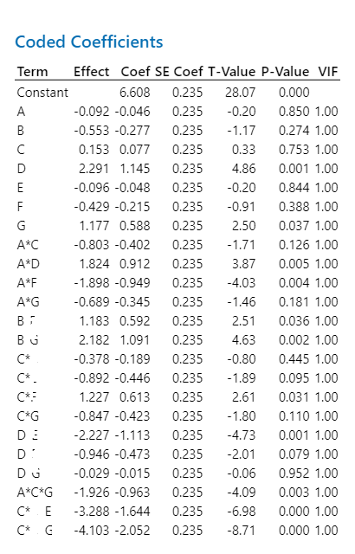
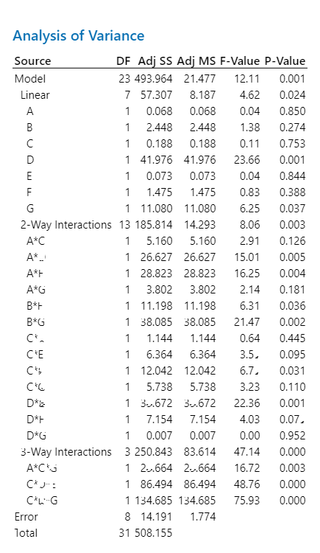

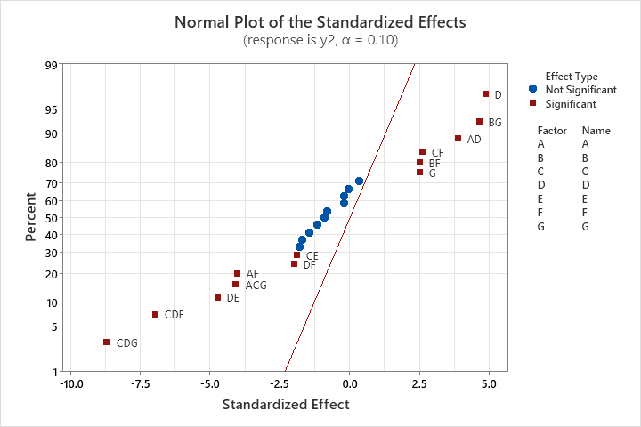

 |  |  |  |  |  |  |  |  |  |  | cxmb jzxcbzxb

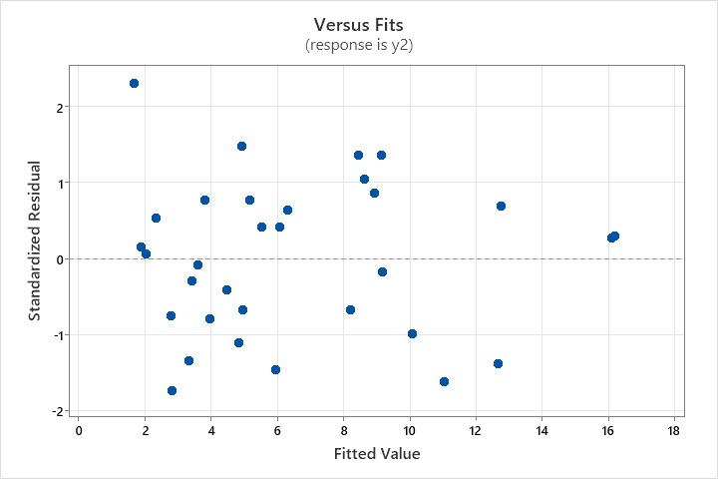
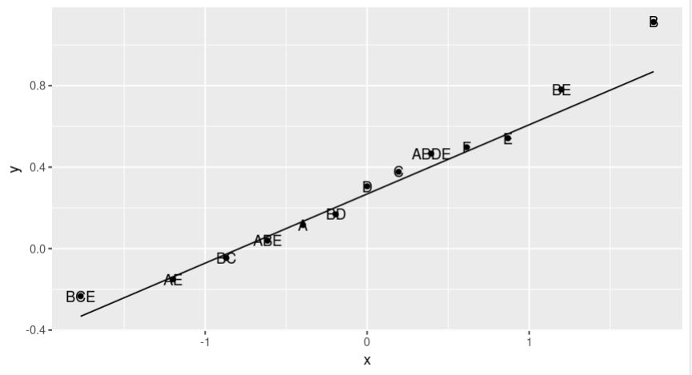
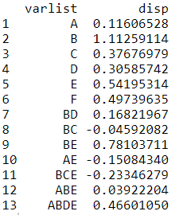
 |  |  |  |  |  |  |  |  |  | Part 4: Dispersion Effects

Analysis of Variance
Source | DF | Adj SS | Adj MS | F-Value | P-Value
Model | 23 | 493.964 | 21.477 | 12.11 | 0.001
Linear | 7 | 57.307 | 8.187 | 4.62 | 0.024
A | 1 | 0.068 | 0.068 | 0.04 | 0.85
B | 1 | 2.448 | 2.448 | 1.38 | 0.274
C | 1 | 0.188 | 0.188 | 0.11 | 0.753
D | 1 | 41.976 | 41.976 | 23.66 | 0.001
E | 1 | 0.073 | 0.073 | 0.04 | 0.844
F | 1 | 1.475 | 1.475 | 0.83 | 0.388 |  |  |  |  | varlist | disp
G | 1 | 11.08 | 11.08 | 6.25 | 0.037 |  |  |  |  | A | 0.11606528
2-Way Interactions | 13 | 185.814 | 14.293 | 8.06 | 0.003 |  |  |  |  | B | 1.11259114
A*C | 1 | 5.16 | 5.16 | 2.91 | 0.126 |  |  |  |  | C | 0.37676979
A*D | 1 | 26.627 | 26.627 | 15.01 | 0.005 |  |  |  |  | D | 0.30585742
A*F | 1 | 28.823 | 28.823 | 16.25 | 0.004 |  |  |  |  | E | 0.54195314
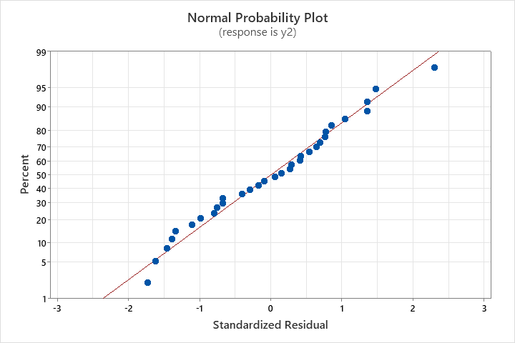
A*G | 1 | 3.802 | 3.802 | 2.14 | 0.181 |  |  |  |  | F | 0.49739635
B*F | 1 | 11.198 | 11.198 | 6.31 | 0.036 |  |  |  |  | BD | 0.16821967
B*G | 1 | 38.085 | 38.085 | 21.47 | 0.002 |  |  |  |  | BC | -0.04592082
C*D | 1 | 1.144 | 1.144 | 0.64 | 0.445 |  |  |  |  | BE | 0.78103711
C*E | 1 | 6.364 | 6.364 | 3.59 | 0.095 |  |  |  |  | AE | -0.1508434
C*F | 1 | 12.042 | 12.042 | 6.79 | 0.031 |  |  |  |  | BCE | -0.23346279
C*G | 1 | 5.738 | 5.738 | 3.23 | 0.11 |  |  |  |  | ABE | 0.03922204
D*E | 1 | 39.672 | 39.672 | 22.36 | 0.001 |  |  |  |  | ABDE | 0.4660105
D*F | 1 | 7.154 | 7.154 | 4.03 | 0.079
D*G | 1 | 0.007 | 0.007 | 0 | 0.952
3-Way Interactions | 3 | 250.843 | 83.614 | 47.14 | 0
A*C*G | 1 | 29.664 | 29.664 | 16.72 | 0.003
C*D*E | 1 | 86.494 | 86.494 | 48.76 | 0
C*D*G | 1 | 134.685 | 134.685 | 75.93 | 0
Error | 8 | 14.191 | 1.774
Total | 31 | 508.155

